Sheet2
Miller Stores.com
OS:windows,browser:chrome |  |  | DATE:
Verified By: |  |  |  | Tested By:Kamalesh M
Bug Id | Expected result | Bug Description | Step To Reproduce | Screenshot | Severity | priority | Status
def_miller_str_01 | images should open in full window | images are not viewable in full window | 1.click products image in home |  | Enhancement |  | new
def_miller_str_02 | live oil extraction video/ photos should open | while click on it the page return to the top of home page | 1.Sroll best selling products 2.click live oil extraction |  | major |  | new
def_miller_str_03 | live Spice powdering video /photos should open | while click on it the page return to the top of home page | 1.Sroll best selling products 2.click Spice powdering |  | major |  | new
def_miller_str_04 | information page should open and while click on email email shoould open and while cllick on address google map should open | no location map is opening | 1.Sroll best selling products 2.click Information |  | minor |  | new
def_miller_str_05 | Phone number Should be mandatory,error message display | phone number is not set as mandatory field | 1.open registration form 2.submitt without phone number |  | major | p1 | new
def_miller_str_06 | tooltips to explain the requirment,display any example for enter data on fields | no tooltips to show what type of data to enter | 1.open registration form 2.enter data |  | major | p2 | new
def_miller_str_07 | name field should only support alphabets | accept numeric and symbols as input | 1.click First name 2.enter numbers instead of alphabets |  | crictical | p3 | new
def_miller_str_08 | name field only support alphabets and error message should display for invalid data | no error message are display for entering non alphabetic data | 1.click First name 2.enter numbers instead of alphabets |  | crictical | p4 | new
def_miller_str_09 | email field should be mandatory and error message should display for blank email field | email id field is not set as mandatory ,it does not have red '*' | 1.click email id field 2.submit emaild as blank |  | minor | p5 | new
def_miller_str_10 | error message for user is able to proceed with a blank email id or not | no such error message are display | 1.click email id field 2.submit emaild as blank |  | minor | p6 | new
def_miller_str_11 | error message should display 'enter valid email id' for enter invalid email | no such error message are display | 1.click email id field 2.enter invalid email id [##lcom##@l.com] |  | major | p6 | new
def_miller_str_12 | an verification mail should send to enterd emaild id | no email verification options available | 1.click email id field 2.enter email id |  | minor |  | new
def_miller_str_13 | error message for invalid email address field [ abcd.comn] | no error message are display | 1.click email id field 2.enter email id with 'comn' instead of '.com' |  | crictical |  | new
def_miller_str_14 | error message should display valid phone number while enter non numeric data in phone | no error message are display succesfully accept | 1.click phone number field 2.enter symbols instead of numbers |  | crictical |  | new
def_miller_str_15 | drop down option is available to select country code with phone field | no option to select country code | 1.click phone number field |  | major |  | new
def_miller_str_16 | an verification code should sent to enterd phone number | no phone number verification procces available | 1.click phone number field 2.enter valid phone number |  | minor |  | new
def_miller_str_17 | error message should display'e'enter valid phone number while enter invalid phone[3334676] | no such a error message submitted succesfully | 1.click phone number field 2.enter invalid phone number 333467 |  | major |  | new
def_miller_str_18 | error message should display"password should contain comination of 1.The password should have at least 1 uppercase and 1 lowercase letter. 2. Password should consist of at least 1 number. 3. The field must have at least 1 special character | no such a error message submitted succesfully,no password validation provided | 1.click pasword field 2.enter week pasword (numbers only,letters only) |  | minor |  | new
def_miller_str_19 | error message should display"The password should not be the same as the username.' while enter pasword same as username | no such a error message submitted succesfully,no password validation provided | 1.click pasword field 2.enter week password same as username |  | minor |  | new
def_miller_str_20 | password should display while click show password | no show password icon is available to saw enterd password | 1.click pasword field 2.enter password |  | major |  | new
def_miller_str_21 | error messages should display"no widespace are suport" while enter space | no such a error message submitted succesfully,no password validation provided | 1.click pasword field 2.enter password[widespace] |  | minor |  | new
def_miller_str_22 | need a error message near checkbox of terms and while submitt without select it | no such a error message submitted succesfully submitt without select terms and condition | 1.open register 2.enter data 3.submitt[don’t accept terms and condition] |  | minor |  | new
def_miller_str_23 | need options ,login Using google account,social media account instead of create account | no such login options are available | 1.click login 2.click login using google,facebook(if available) | 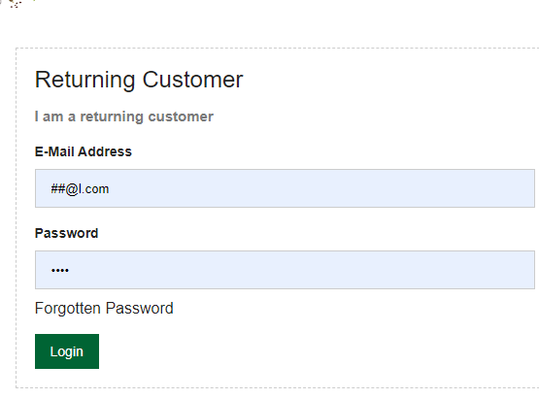 | minor |  | new
def_miller_str_24 | need a CAPTCHA for login | no such login options are available | 1.click login 2.enter username &paswword |  | major |  | new
def_miller_str_25 | need a ‘Cancel’ button available to erase the entered text | no such cancel button available in login options are available | 1.click login 2.enter username 3.click forgott password 4.enter email ID 5.click cancel | 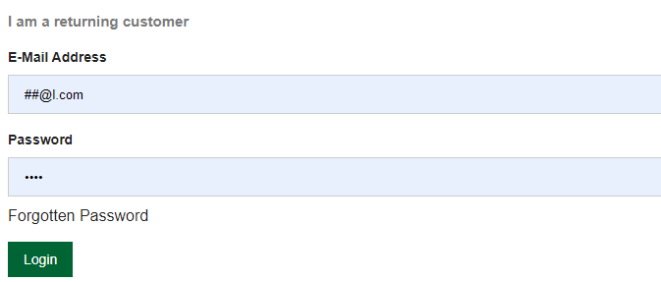 | major |  | new
def_miller_str_26 | An message should display 'login Succesfully' after login | no meaasages are shown as expected directly enterd into account page | 1.click login 2.enter username 3.click forgott password 4.enter email ID 5.click'enter key' | 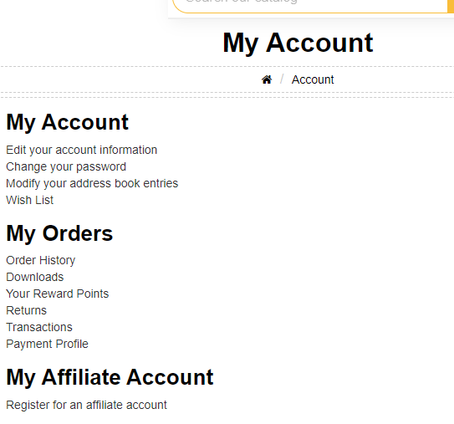 | enhancement |  | new
def_miller_str_27 | need '+'and '-' to increase and decrease quantity during purchase item | it only showing a text field where we can enter symbols letters etc | 1.select product 2.enter quantity | 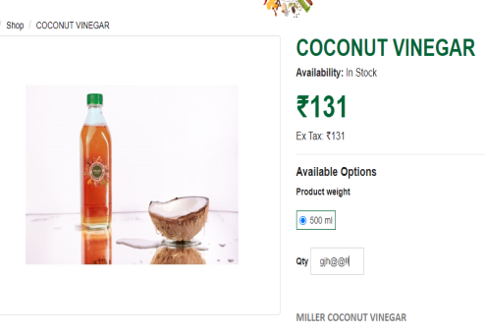 | major |  | new
def_miller_str_28 | only able to enter numbers for quantity and show error message if enterd is not a numeric key | it only showing a text field where we can enter symbols letters etc | 1.select product 2.enter quantity |  | major |  | new
def_miller_str_29 | should display more details about selected product while click read more | not show details of product,while click Read More,the shop page exit to home page | 1.select product 2.enter quantity 3.click read more |  | major |  | new
def_miller_str_30 | should display error message 'SELECT QUANTITY' while enter invalid quantity | shows message'Success: You have added NUT MACE to your shopping cart!' | 1.select product 2.enter quantity @@@@ 3.click ADD TO CART | 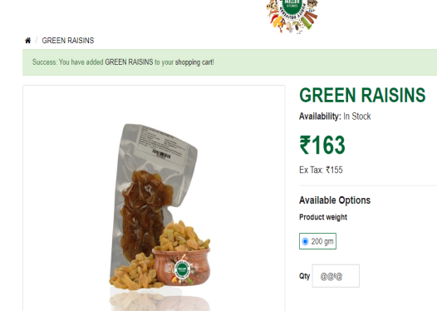 | major |  | new
def_miller_str_31 | Should open Shopping Page interface in shopping cart | while click Continue Shopping,the page exit to home page | 1.open cart 2.click continue Shopping |  | major |  | new
def_miller_str_32 | name field in billing ,the field should not accept non alphabets | the data like numeric character and symbols are accepted for name | 1.click Billing Details Drop Down 2.enter First Name | 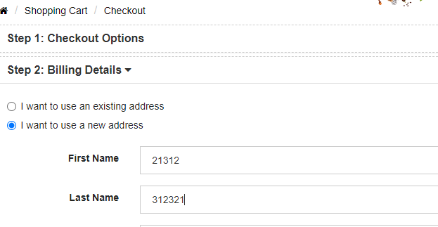 | minor |  | new
def_miller_str_33 | should display error message while enter invalid address | no such berror message | 1.click address fields 2.enter Symbols/numers instead of valid address | 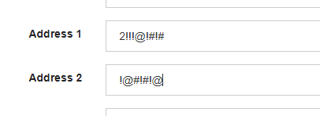 | major |  | new
def_miller_str_34 | should display error message while enter invalid data like **&&& for city | no such error message | 1.click city fields 2.enter Symbols/numbers instead of valid city |  | major |  | new
def_miller_str_35 | should display error message while enter invalid post code | no such error message | 1.click post code fields 2.enter invalid post code'0000000' |  | major |  | new
def_miller_str_36 | need more paytment options like cash on delivery UPI payment credit card | showing only one payment method,that is not familiar with others | 1.click payment 2.select Payment method | 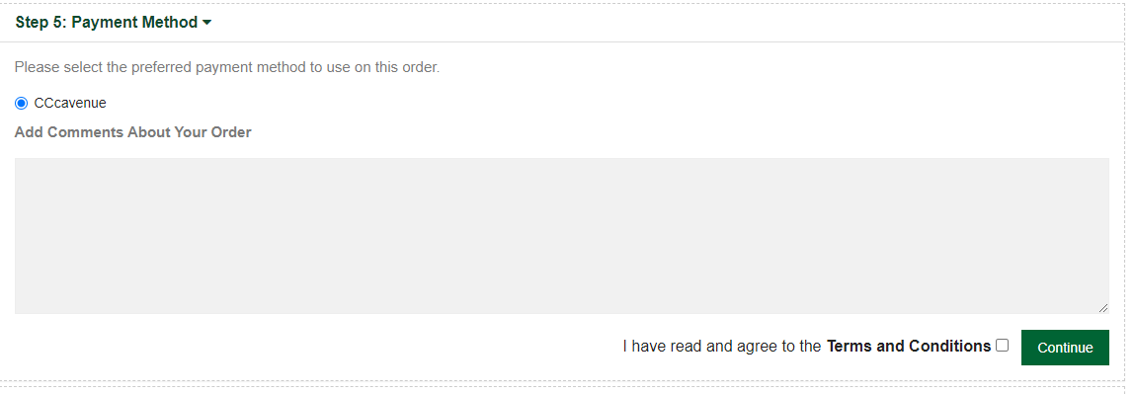 | Enhancement |  | new
def_miller_str_37 | QR Code should available for easy payment method using UPI apps | no such QR code are available | 1.click payment |  | Enhancement |  | new
def_miller_str_38 | options of selected payment methods should open to enter payment details | not showing option to add payment detail's act like a wallet only | 1.click payment 2.select available Payment method | 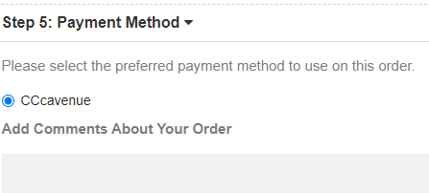 | major |  | new
def_miller_str_39 | after complete order details need a confirm order button and cancel button to cancel order | no cancel button available | 1.enter valid details 2.invalid payment details 3.click cancel if available | 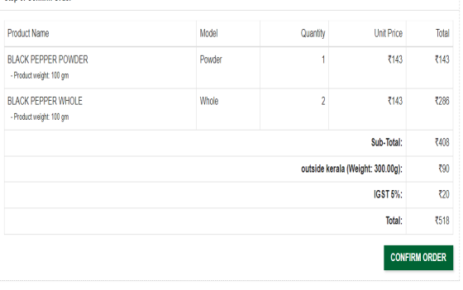 | Enhancement |  | new
def_miller_str_40 | contact us page should open while click contact us that should contain address for communication different shope | no location /address are available ,only showing place and phone number | 1.click contact Us | 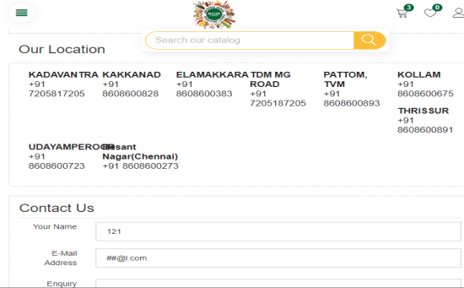 | Enhancement |  | new
def_miller_str_41 | all fields in contact page should be mandatory mark "red*" | no mandatory marks are available | 1.click contact Us | 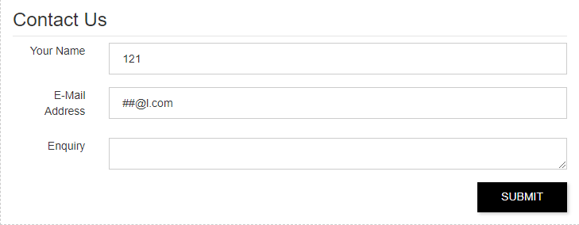 | minor |  | new
def_miller_str_42 | error message should display while enter invalid emaiil | no error message display enter valid email | 1.click contact Us 2.click email 3.enter####@l.comnn | 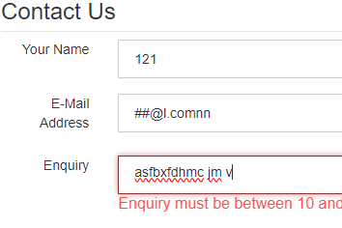 | crictical |  | new
def_miller_str_43 | error message should display while enter invalid name | no error message display enter valid name | 1.click contact Us 2.click Your name 3.enter 121 |  | major |  | new
def_miller_str_44 | accept text only for enquiry and error message should display while enter invalid data | no error message display enter valid name | 1.Click contact Us 2.Click enquiry enter datas | 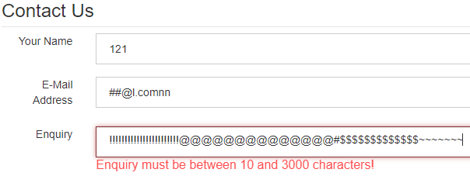 | major |  | new
def_miller_str_45 | error messages should display"enter valid datas" after click submit | no error message display enter data,it succesfully submitted | 1.Click contact Us 2.Click name field,enter numbers and symbols 3.enter invalid email'jvyhgk@4.com' 4.click enquiry enter"21314324" | 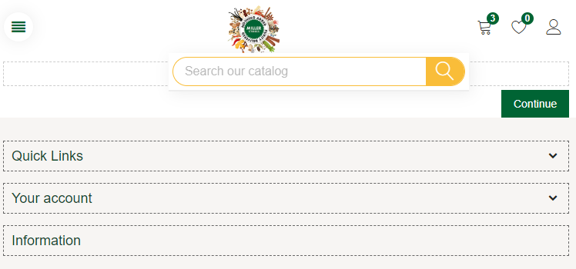 | major |  | new
def_miller_str_46 | an cancel button should available to cancel enquiry | no cancel button available | 1.Click contact Us 2.Click name field,enter numbers and symbols 3.enter invalid email'jvyhgk@4.com' 4.click enquiry enter"21314324" |  | Enhancement |  | new
def_miller_str_47 | after submitt enquiry an pop up message Should appear 'enquiry sent succesfully | no pop uo message are available | 1.Click contact Us 2.Click name field,enter numbers and symbols 3.enter invalid email'jvyhgk@4.com' 4.click enquiry enter"21314324" 5.click submitt |  | Enhancement |  | new

Sheet3
DEFECT DISTRIBUTION GRAPH
 | DEFECT DISTRIBUTION DEFECT DISTRIBUTION | DEFECT DISTRIBUTION DEFECT DISTRIBUTION | DEFECT DISTRIBUTION DEFECT DISTRIBUTION
HOME PAGE | 4
REGISTER | 20
LOGIN | 4
SHOP | 14
CONTACT US | 9
DEFECT DISTRIBUTION
MODULE NAME | DEFECT DISTRIBUTION
HOME PAGE | 4
REGISTER | 20
LOGIN | 4
SHOP | 14
CONTACT US | 9

